LT MODEL (ADV560 Simple)
Dong Guan RioTouch Technology Co., Ltd
Room 203, Building 1, No.1 Chang Qing South Road, Chang An Town, Dongguan City
Web: www.RioTouch.com
IR Touch Interactive Flat Panel Display
Model |  | LT65 | LT75 | LT86
Product picture | 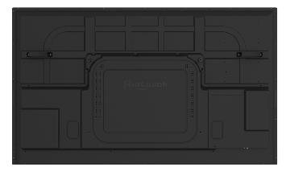 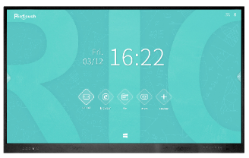
Display specification
Diagonal display size |  | 65" LED backlight | 75"LED backlight | 86"LED backlight
Bezel color | Aluminum frame(Black color) | P | P | P
Back Light | Direct type LED | P | P | P
Active area (mm) |  | 1428.48 (H) * 803.52 (V) | 1649.66 * 927.93(V) | 1895.04 * 1065.96(V)
Resolution | 3840*2160 /60hz | P | P | P
Pixel Pitch |  | 0.372mm x 0.372mm | 0.429 mm x 0.429 mm | 0.4935 mm x 0.4935 mm
Aspect Ratio | 16:9 | P | P | P
Contrast Ratio |  | 4000:1 | 4000:1 | 4000:1
Colors | 1.07 billion colors | P | P | P
Brightness | 350cd/m2 | P | P | P
Viewing angle | 178° | P | P | P
Glass hardness | Mohs-7 level | P | P | P
Screen surface | Anti-Glare glass | P | P | P
Panel Interactivity
Touch technology | IR touch | P | P | P
Multi touch | Max 40 points(Windows) | P | P | P
Multi writing | Max 20 points(Windows) | P | P | P
Auto-calibrate | Yes | P | P | P
Anti-light | Yes | P | P | P
Minimum object size | 3mm | P | P | P
Accuracy | 1 mm (over 90% Area) | P | P | P
Response Time | <8 ms | P | P | P
System support | Windows 7/8/10; Android; Mac; Linux; Chrome OS | P | P | P
Front side Connectivity
Front ports | USB3.0 * 3 lines (Public for both Android & PC) ; Touch out USB B type * 1 line; HDMI in 2.0 * 1 line.
Front keys | Power on/off; Signal source; Return; Main page; Menu; Volume down; Volume up
Speaker | 15W*2
Rear/Bottom side Connectivity
USB 2.0 | 2 | P | P | P
HDMI 2.0 In | 1 | P | P | P
HDMI 2.0 In (ARC) | 1 | P | P | P
Touch out USB B type | 1 | P | P | P
Coax out | 1 | P | P | P
Earephone | 1 | P | P | P
MIC | 1 | P | P | P
VGA in | 1 | P | P | P
PC audio | 1 | P | P | P
RS232 | 1 (Sub-D, 9 pins) | P | P | P
RJ45 | 1 | P | P | P
WI-FI | 1 | P | P | P
Windows OPS Slot | OPS & OPS-C Intel standard | P | P | P
Operating system
Android Version | Android 9.0 | P | P | P
CPU | Quad-core Cortex-A55@1200Mhz | P | P | P
GPU | Mail G52* 4 | P | P | P
RAM | 3GB DDR4 | P | P | P
ROM | 32GB | P | P | P
Compliant with | Windows; Mac; Linux; Chrome OS | P | P | P
Physical specifications
Net Weight (kg±2) | (kg±2) | 40 | 51 | 65
Gross Weight (kg±2) | (kg±2) | 50 | 63 | 80
Overall size(mm) | (W*D*H) | 1470.9 *97.5* 897.5 | 1692.1 *97.5*1021.9 | 1943.4*97.5*1166
Carton size(mm) | (W*D*H) | 1622 * 222 * 1044 | 1842 * 222 * 1166 | 2090 *222 * 1307
VESA | (mm) | 600*400 | 600*400 | 800*600
Electrical
Input Voltage | 100-240V AC | 100-240V AC | 100-240V AC | 100-240V AC
Switch on or off | Yes | P | P | P
Power Consumption(Standby) | <0.5W | <0.5W | <0.5W | <0.5W
Power Consumption |  | Maximun< 290W Eco<75W | Maximun< 420W Eco<75W | Maximun< 500W Eco<75W
Accessories
Accessories | WIFI antenna; No ink pen * 2pcs, Remote control *1pcs, 1.5m power cord *1pcs, 1.5m HDMI cable *1pcs, 1.5m USB touch cable *1pcs; wall mount kit

